Sheet1
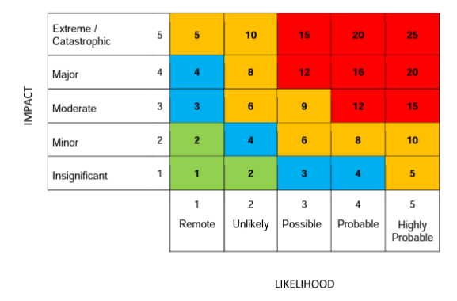
Risk Id | Risk Area/Risk Identified | Impact (Text) | Likelihood Rating (1-5) | Impact Rating (1-5) | Overall Risk (Likelihood x Impact) | Controls | Residual Rating | Actions Identified/ Comments | Risk Owner
FINANCIAL RISKS
1 | LPC accounts are rejected by contractors | Accounts would need to be reviewed and re-done. Lack of confidence in the LPC. | 2 | 3 | 6 | Work within CPE guidance to comply with network wide standards | L |  | Treasurer and CEO
2 | LPC financial record lost | Unable to provide contractors with financial transparency and overview. Unable to complete end of year accounts. | 2 | 4 | 8 | Ensure any files are backed up each time they are updated | M |  | Treasurer and CEO
3 | Loss of LPC Treasurer | No-one in role to fulfil treasurer functions | 2 | 2 | 4 | Use of Finance Sub Committee to support until a new Treasurer is appointed | L |  | Finance Sub-Committee and CEO
4 | Loss of people unable to authorise payments | Impact on all payment and potential issues with claims for non-payment. | 2 | 3 | 6 | Minimum of 2 people set up to authorise payments | M |  | Treasurer and CEO
5 | LPC budget is challenged by contractors or NHSE | Budget would need to be reviewed and re-submitted for scrutiny. Lack of confidence in the LPC. | 3 | 2 | 6 | Work within CPE guidance to comply with network wide standards | L |  | Treasurer and CEO
6 | Cyber-attack on online banking system | Loss of income or access to income, effecting ability to operate | 3 | 3 | 9 | Use of secure banking arrangements, safeguarding passwords etc | M |  | Treasurer and CEO
7 | Unauthorised payments made from LPC bank account | Loss of income or access to income, effecting ability to operate | 1 | 4 | 4 | Limits set for amount that can be paid without second autorisation | L |  | Treasurer and CEO | Low (L) | Green | - under control
8 | Inadvertent financial loss to contractors through incorrect advice |  | 2 | 2 | 4 | Addition of statements to documents eg deadline tracker regarding the information provided. Requests for financial advice referred to appropriate provider | L |  | LPC Members and Staff | Med (M) | Amber | - broadly under control but significant risks remain
Impact and Outcomes for Contractors
9 | Workforce issues | Support work on workforce issues | 2 | 3 | 6 |  | M |  | CEO/Chair
10 | Contractor cashflow issues | Pharmacy closures | 4 | 3 | 12 |  | M |  | CEO/Chair
11 | Remunaration reduction in service income | Pharmacy closures | 2 | 4 | 8 |  | M |  | CEO/Chair
12 | Representation and attendance at ICS/ICB |  | 1 | 1 | 1 |  | L |  | CEO/Chair
LPC Structure and Governance
13 | LPC not representative of contractors |  | 1 | 2 | 2 |  | L |  | CEO/Chair
14 | CCA reps due to major retailers withdrawing from the market such as what’s happened with Lloyds. If this happened to Rowlands and Boots at the same time for example the committee may struggle to fill CCA seats. |  | 2 | 3 | 6 |  | M |  | CE/Chair
15 | Applying appropriate governance |  | 1 | 1 | 1 |  | L |  | CEO
16 | Failure of corporate governance or business continuity leading to loss of service to contractors |  | 1 | 4 | 4 |  | L |  | CEO/Chair
Staff and IT
17 | Loss of staff or increased workload on staff | Burnout, mental health issues | 1 | 2 | 2 |  | L |  | CEO/Chair
18 | Succession planning | Gaps in knowledge and expertise. Could lead to inefficiencies | 1 | 3 | 3 |  | L |  | CEO/Chair
19 | IT security breach or system fails | Files not accessible | 1 | 2 | 2 | All documents on shared drive and antivirus software installed on all team computers | L |  | CEO
Reputational risk
20 | Poor relationships with key stakeholders and lack of influence | Not recognised and engaged with; loss of services for contractors | 2 | 3 | 6 | Members have relationships with all stakeholders and engage regulalry | M |  | CEO/Team

